INTRODUCTION
 | 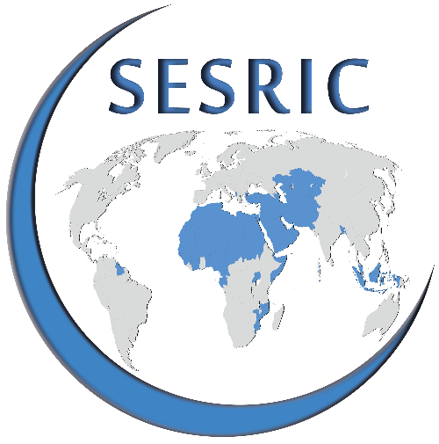 | QUESTIONNAIRE ON MAPPING THE LANDSCAPE OF DEVELOPMENT ASSISTANCE AND COOPERATION IN OIC MEMBER COUNTRIES
 | INTRODUCTION
 | SESRIC conducts the project on “Mapping the Landscape of Development Assistance and Cooperation in OIC Member Countries” with an aim to develop an information roster of National Development Assistance Agencies (DAA) of OIC Member Countries including the relevant ministries and/or other governmental institutions. The Directory is intended to cover institutional information, background and activities related to the Official Development Assistance (ODA) and other kinds of development aid under the responsibility of the national DAAs.
 | OBJECTIVE
 | The purpose of this questionnaire is to gather information about background and activities of existing National DAAs in OIC Member Countries responsible for the coordination of ODA and other bilateral and multilateral cooperation programmes related to economic and social development. The respondent institutions are asked to share also ODA data of their countries. Moreover, nomination of focal point(s) is inquired in order to maintain further communication on related projects and cooperation modalities.
 | IMPORTANT NOTE
 | The questionnaire has three separate parts, namely: PART 1: Organisational Structure and Background PART 2: Development Assistance Outreach PART 3: Official Development Assistance Statistics
 | For "Close-Ended" questions, please check or put (X) for the relevant box. For "Open-Ended" questions, please write or type only in the space provided under each question. If needed, please add a separate page. While responding to questions, please consider all possible sources of information, including from other government entities / agencies.
Please fill the Form electronically and send it back to statistics@sesric.org preferably by 31 December 2018
If you have any questions regarding the content of the form please send your questions to: statistics@sesric.org
 | INSTITUTIONAL INFORMATION
 | 1. Please provide contact details of your institution
 | COUNTRY
 | Name of the Institution
 | Abbreviation of Institution (if there is any)
 | Name of the Institution's Head
 | Title of the Institution's Head
 | Phone Number |  | Country Code | City Code | Number
 | Fax Number |  | Country Code | City Code | Number
 | Web Address
 | E-mail(s)
 | Twitter Account (if exists)
 | Postal Address
 |  |  | City |  | Country

 | 2. Please provide contact details of the focal point in the institution responding to the questionnaire
 | Name
 | Title
 | Department
 | Phone Number |  | Country Code | City Code | Number
 | Mobile Number
 | E-mail(s)

 | 3. Please provide contact details of the Head of Department responsible for data on development finance flows
 | Name
 | Title
 | Department
 | Phone Number |  | Country Code | City Code | Number
 | Mobile Number
 | E-mail(s)

 | DISCLAIMER
 | SESRIC will gather the responses and publish the institutional information on its website which can be used by OIC Member Countries, relevant OIC institutions and other international organisations related to development assistance.

